Packed Input Data
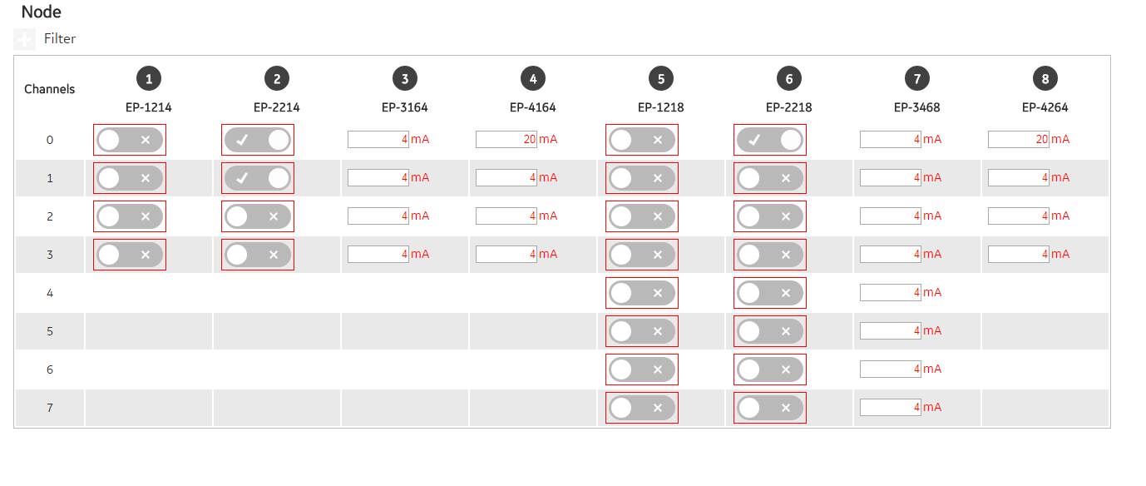
word | start | To determine word location, DO = 1, AO4 channel = 4, AO8 channel = 8. Refer to GFK-2958 structure of packed data for further details
1 | 300001
2 | 300002
3 | 300003
Word1
Word6
4 | 300004
5 | 300005
Word7
6 | 300006
Word2
7 | 300007
8 | 300008
Word3
Word8
9 | 300009
10 | 300010
Word4
11 | 300011
Word9
12 | 300012
13 | 300013
Word5
Word10
14 | 300014
15 | 300015
16 | 300016
17 | 300017
18 | 300018
19 | 300019
20 | 300020
21 | 300021
22 | 300022
23 | 300023
24 | 300024
25 | 300025
26 | 300026
27 | 300027
28 | 300028
29 | 300029
30 | 300030
31 | 300031
32 | 300032

Packed Output Data
word | start | To determine word location, DO = 1, AO4 channel = 4, AO8 channel = 8. Refer to GFK-2958 structure of packed data for further details
1 | 402049
2 | 402050
Word1
Word6
3 | 402051
4 | 402052
5 | 402053
6 | 402054
Word2
Word7
7 | 402055
8 | 402056
9 | 402057
Word3
Word8
10 | 402058
11 | 402059
Word4
Word9
12 | 402060
13 | 402061
Word5
Word10
14 | 402062
15 | 402063
16 | 402064
17 | 402065
18 | 402066
19 | 402067
20 | 402068
21 | 402069
22 | 402070
23 | 402071
24 | 402072
25 | 402073
26 | 402074
27 | 402075
28 | 402076
29 | 402077
30 | 402078
31 | 402079
32 | 402080

